Audit Tool User Details
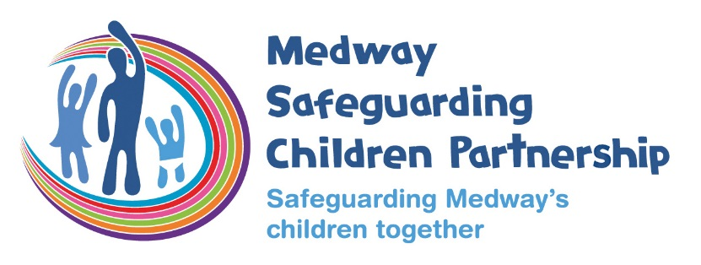

Education 175/157 Audit - a self-assessment tool
User Details

Who should complete this audit?
- All MSCP member and statutory organisations
- Commissioned agencies (i.e.. you are contracted to provide services for another organisation)
* Non-commissioned VCS organisations can use this audit although very small organisations may wish to complete using the Word audit tool. Available on request.

School name /DFE no: / URN no: | Deanwood Primary School DfE no: 887/2684 URN no: 143458

Date completed | 9.11.21

Auditor name | Jane Wright

Auditor job title | Head of School

Auditor email address | burbj003@deanwood.medway.sch.uk

Auditor telephone number | 01634 231901

Named Governors sign off audit: | D. Giles

Audit sign-off date | 16.11.21

Heads Email | burbj003@deanwood.medway.sch.uk
Deputy DSL email: | slaco003@deanwood.medway.sch.uk / inghe003@deanwood.medway.sch.uk
Chair of Governors / CEO email: | dgiles@thatrust.org.uk / Omccolgan@thatrust.org.uk

If you have queries relating to the use of the Section 11 Audit form, please do not hesitate to contact the MSCP:

Kate Barry Education Safeguarding Officer
Medway Children's Services
Tel: 01634 331017
Email: kate.barry@medway.gov.uk

Alternatively you can contact:
Maisie Adkins
Interim LADO and Education Safeguarding Manager
Tel: 01634 336204
Email: maisie.adkins@medway.gov.uk
www.medwayscp.org.uk
With thanks to City and Hackney Safeguarding Children board for the tool format.

Introduction


Section 11 Audit - a self-assessment tool
Introduction

The self-assessment tool is made up of 8 worksheets.

Each worksheet focuses on the standard and outlines the requirements to be achieved.

Follow the links below to each worksheet where you enter your score against each of the statements and provide further details.

1. Senior management commitment to the importance of safeguarding and promoting children’s welfare
2. A clear statement of the agency’s responsibility towards children is available to all staff
3. A clear line of accountability within the organisation for work on safeguarding and promoting the welfare of children
4. Service development takes account of the need to safeguard and promote welfare and is informed by the views of children and families.
5. Staff training on safeguarding and promoting the welfare of children for all staff working with or in contact with children & families
6. Recruitment, vetting procedures and allegations against staff
7. Inter-agency working
8. Information sharing
9. Support and Intervention
After you have completed your scoring please review the 'Score Summary' to see an evaluation of your responses and review the 'Agency Action Plan Summary' to see your generated action plan.

Score Summary
 |  |  | Back to INTRODUCTION
Section 11 Audit Tool - Score Summary

Totals for each area

Standard | No of questions | Not met | Partly met | Fully met | Unanswered
1. Senior management have commitment to the importance of safeguarding and promoting children’s welfare | 4 | 0 | 1 | 3 | 0

2. A clear statement of the agency’s responsibility towards children is available to all staff | 5 | 0 | 0 | 5 | 0

3. A clear line of accountability within the organisation for work on safeguarding and promoting the welfare of children | 3 | 0 | 0 | 3 | 0

4. Service development takes account of the need to safeguard and promote welfare and is informed, where appropriate, by the views of children and families | 3 | 0 | 0 | 3 | 0

5. Staff supervision, awareness and training on safeguarding and promoting the welfare of children for all staff working with or in contact with children and families | 7 | 0 | 0 | 7 | 0

6. Safe recruitment, vetting procedures and allegations against staff | 5 | 0 | 0 | 5 | 0

7. Effective inter-agency working to safeguard and promote the welfare of children | 14 | 0 | 0 | 14 | 0

8. Information sharing | 4 | 0 | 0 | 4 | 0

9. Support and Intervention | 4 | 0 | 0 | 4 | 0

Total All Areas | 45 | 0 | 1 | 44 | 0

